Calculation sheet
Calculation sheet

Top
STEP 1
Input original margins to yellow cells.
STEP 2
Use margins calculated in green cells.

H space
Right
Left

V space
 | Input (Original PDF) |  |  | Output (Printer setting)
 | Margin | Size | Unit |  | Unit Dot |  |  | Unit Inch | Unit mm
 | Top | 0.17 | inch |  | 203 dpi | 305 dpi | 609 dpi | 203 / 305 / 609 dpi | 203 / 305 / 609 dpi
 | Bottom | 0.60 | inch | Top | 27 | 40 | 80 | 0.13 | 3.302
 | V space | 0.08 | inch | Bottom | 114 | 171 | 342 | 0.56 | 14.224
 | Left | 0.20 | inch
 | Right | 0.18 | inch | Left | 33 | 49 | 98 | 0.16 | 4.064
 | H space | 0.08 | inch | Right | 29 | 43 | 86 | 0.14 | 3.556

Bottom

Measuring tool
Measuring tool

 | In order to determine margins, the original PDF’s margins must be measured correctly.

 |  | Don’t measure PDF file printed on paper manually because OA printers may shrink or enlarge PDF file accordingly.

 | 1. Open any PDF file, then click “More Tools”.

 | 2. Open or add shortcut Measure tool

 | 3. Measuring Tool will appear in the menu bar.
 | Any distance can be measurable with this tool.
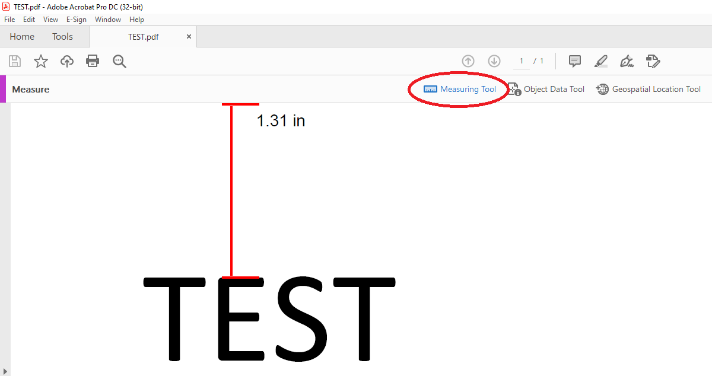

Calculation
How to calculation margins

 |  | This section uses 2 x 2 split for example, the calculation is the same even if the split is 3 x 3 or anything.

 | No space between each layout.
 | 1. | Measure top, bottom, left and right margin with measuring tool.
 |  | Input these value as they are or convert them if necessary.

 |  | Margin (dot) = Margin (inch) * Head density (203 / 305 / 609)
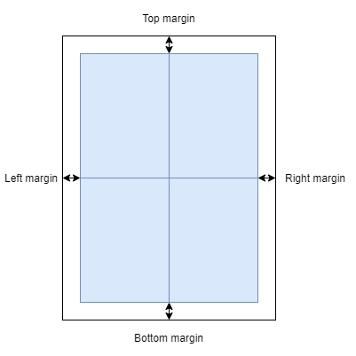

 | With space between each layout.
 | 1. | Measure top, bottom, left and right margin, H and V space with measuring tool.
 | 2. | Calculate margins as follows:
 |  |  | setting Top margin (inch) | = original Top margin | - (V space / 2)
 |  |  | setting Bottom margin (inch) | = original Bottom margin | - (V space / 2)
 |  |  | setting Left margin (inch) | = original Left margin | - (H space / 2)
 |  |  | setting Right margin (inch) | = original Right margin | - (H space / 2)

 | 3. | Input these value as they are or convert them if necessary.
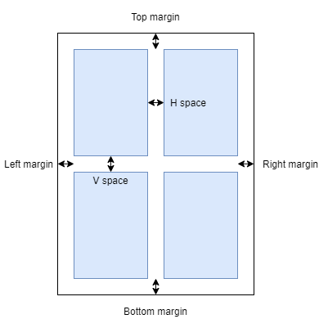

Sample case
Sample case

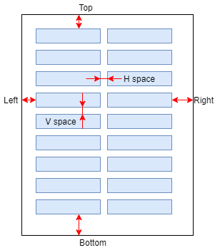
 | 2x9 with space
 |  | 1. | Measurement
 |  |  | Margin | Size (inch)
 |  |  | Top | 0.17
 |  |  | Bottom | 0.60
 |  |  | Left | 0.20
 |  |  | Right | 0.18
 |  |  | H space | 0.08
 |  |  | V space | 0.08

 |  | 2. | Calculation
 |  |  | setting Top | = 0.17 - (0.08 / 2) | = 0.13 inch
 |  |  | setting Bottom | = 0.60 - (0.08 / 2) | = 0.56 inch
 |  |  | setting Left | = 0.20 - (0.08 / 2) | = 0.16 inch
 |  |  | setting Right | = 0.18 - (0.08 / 2) | = 0.14 inch

 |  | 3. | Conversion (203 dpi)
 |  |  | setting Top | = 0.13 * 203 | = 27 dots
 |  |  | setting Bottom | = 0.56 * 203 | = 114 dots
 |  |  | setting Left | = 0.16 * 203 | = 33 dots
 |  |  | setting Right | = 0.14 * 203 | = 29 dots

